Picture
176.3 | 119.6
178.4 | 119.5
181 | 118.4
183.1 | 118.2
186.5 | 119.3
170.7 | 121.3
168.3 | 122
164.9 | 121.9
166.6 | 122.1
176 | 121.4
169.1 | 124.5
199.1 | 126.1
192.9 | 131.7
168.4 | 132.5
202.2 | 131.3
199.8 | 132.9
176 | 132.9
188.2 | 133.4
208 | 133.4
182.1 | 135.1
206.1 | 135.6
202.2 | 135.8
182.4 | 137.2
199.1 | 139
179 | 140.7
182.3 | 140.7
199.9 | 140.3
204.3 | 142.8
210.7 | 142.8
165.7 | 147.2
184.4 | 148.6
196.4 | 148.8
169.9 | 149.4
171.8 | 149.6
186.1 | 150.3
192.1 | 150.4
209 | 150.3
210.7 | 151.7
176.6 | 155.9
175 | 149.6
176.5 | 150
203.7 | 141.6
171.8 | 120.8
173.7 | 119.4
179.1 | 121.4
177.6 | 121.6
179.7 | 119.6
182 | 119
177.5 | 120.2
173 | 120.8
...
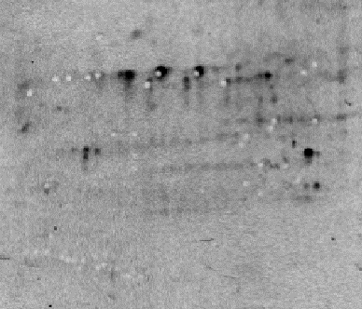

MT Position | Sample
A01 | Spot 12_13
A02 | Spot 15
A03 | Spot 7
A04 | Spot 8
A05 | Spot 19
A06 | Spot 39
A07 | Spot 37
A08 | Spot 52
A09 | Spot 41
A10 | Spot 31
A11 | Spot 42
A12 | Spot 32
B01 | Spot 59
B02 | Spot 76
B03 | Spot 131
B04 | Spot 144
B05 | Spot 129
B06 | Spot 152
B07 | Spot 155
B08 | Spot 167
B09 | Spot 172
B10 | Spot 185
B11 | Spot 184
B12 | Spot 192
C01 | Spot 219
C02 | Spot 238
C03 | Spot 233
C04 | Spot 236
C05 | Spot 249
C06 | Spot 255
C07 | Spot 284
C08 | Spot 306
C09 | Spot 312
C10 | Spot 313
C11 | Spot 317
C12 | Spot 325
D01 | Spot 330
D02 | Spot 338
D03 | Spot 343
D04 | Spot 378
D05 | Spot 318
D06 | Spot 321
D07 | Spot 240
D08 | Spot 40
D09 | Spot 38
D10 | Spot 48
D11 | Spot 47
D12 | Spot 9_10
E01 | Spot 18
E02 | Spot 11
E03 | Spot 34_35

