Picture
 | y(mm)
198.9 | 109.9
201 | 109.6
205.4 | 109.6
197.2 | 110
208.7 | 109.4
197 | 111.7
191.7 | 112.5
188.1 | 112.6
190 | 112.6
198.5 | 111.6
200.2 | 111.6
192.8 | 115.6
222.2 | 115.3
216.7 | 120.4
191.4 | 123
225.2 | 120.1
223 | 121.8
199.3 | 123
211.9 | 122.2
230.5 | 122.3
228.8 | 124.3
224.7 | 124.7
206.4 | 127.6
222.1 | 129.3
202.6 | 132.4
206 | 131.8
222.4 | 131
226.5 | 131.5
233.2 | 133.8
226.6 | 133
189.6 | 139.3
208.5 | 139
219.4 | 139
193.8 | 141.2
195.7 | 141.3
210 | 140.5
198.5 | 141.3
215.5 | 141
232 | 141.2
234.2 | 142.4
200.7 | 147.9
200.2 | 141.1
205 | 124.8
206.4 | 124.7
194 | 111.9
195.6 | 111.8
196.3 | 113.3
203.8 | 109.4
202.4 | 109
201.6 | 112.1
...
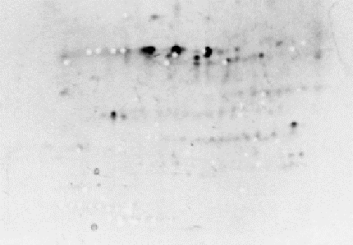

Well Position | Sample
A01 | 11
A02 | 15
A03 | 8
A04 | 12
A05 | 19
A06 | 37
A07 | 41
A08 | 31
A09 | 42
A10 | 32
A11 | 35
A12 | 59
B01 | 76
B02 | 131
B03 | 144
B04 | 129
B05 | 152
B06 | 151
B07 | 155
B08 | 167
B09 | 185
B10 | 184
B11 | 192
B12 | 219
C01 | 238
C02 | 233
C03 | 236
C04 | 240
C05 | 255
C06 | 249
C07 | 284
C08 | 306
C09 | 312
C10 | 313
C11 | 317
C12 | 325
D01 | 318
D02 | 330
D03 | 338
D04 | 343
D05 | 378
D06 | 321
D07 | 172
D08 | 172
D09 | 39
D10 | 34
D11 | 52
D12 | 18
E01 | 7
E02 | 48
E03 | 36
E04 | 9

